Capex tracker
Tool type | Soft tool | Soft tool EC | Hard tool | Hard tool EC
Product category | RCS POD | RCS DEVICE | MODI | HP | MO

Project | Product Category | Part Name | Part No. | Supplier | Year | Month | Stage | Data Submit Date | Cavity | Tooling Capacity Per Month | Total Capacity Per Month | Tooling life | Tool type | Kick off date | Tool Unit cost | Q'ty | Total Tool cost | Requested by Whom | Approval Status | Payment Status | Remark | Email
KUMA E-Box ROW | RCS DEVICE | Top cover | 130040670013934 | Dongguan Wellsun Plastic | 2023 | 12 | DP | 2024-11-01 | 16 | 812,968 | 812,968 | 1,000,000 | Hard tool | 2023-12-23 | ¥650,000 | 1 | ¥650,000 | Chris | Approved | No | 16 cavities | ok
KUMA E-Box ROW | RCS DEVICE | Top cover | 130040670013934 | Dongguan Wellsun Plastic | 2024 | 4 | DP | 2024-11-01 | 8 | 406,484 | 406,484 | 1,000,000 | Hard tool | 2024-04-08 | ¥450,000 | 1 | ¥450,000 | Chris | Approved | No | 8 cavities | ok
KUMA E-Box ROW | RCS DEVICE | Top cover | 130040670013934 | Dongguan Wellsun Plastic | 2023 | 10 | DP | 2024-11-01 | 2 |  | 0 | 500,000 | Soft tool | 2023-10-12 | ¥115,044 | 1 | ¥115,044 | Chris | Approved | No
KUMA E-Box ROW | RCS DEVICE | Top cover | 130040670013934 | Dongguan Wellsun Plastic | 2023 | 10 | DP | 2024-11-01 | 2 |  | 0 | 500,000 | Soft tool | 2023-10-12 | ¥115,044 | 1 | ¥115,044 | Chris | Approved | No
KUMA E-Box ROW | RCS DEVICE | Top cover | 130040670013934 | Dongguan Wellsun Plastic | 2023 | 11 | DP | 2024-11-01 | 2 |  | 0 | 500,000 | Soft tool EC | 2023-11-04 | ¥6,549 | 1 | ¥6,549 | Chris | Approved | No
KUMA E-Box ROW | RCS DEVICE | Top cover | 130040670013934 | Dongguan Wellsun Plastic | 2023 | 11 | DP | 2024-11-01 | 2 |  | 0 | 500,000 | Soft tool EC | 2023-11-18 | ¥6,283 | 1 | ¥6,283 | Chris | Approved | No
KUMA E-Box ROW | RCS DEVICE | Top cover | 130040670013934 | Dongguan Wellsun Plastic | 2024 | 2 | DP | 2024-11-01 | 2 |  | 0 | 500,000 | Soft tool EC | 2024-02-26 | ¥41,416 | 1 | ¥41,416 | Chris | Approved | No
KUMA E-Box ROW | RCS DEVICE | Top cover | 130040670013934 | Dongguan Wellsun Plastic | 2024 | 3 | DP | 2024-11-01 | 2 |  | 0 | 500,000 | Soft tool EC | 2024-03-28 | ¥42,478 | 1 | ¥42,478 | Chris | Approved | No
KUMA E-Box ROW | RCS DEVICE | Top cover | 130040670013934 | Dongguan Wellsun Plastic | 2024 | 7 | DP | 2024-11-01 | 2 |  | 0 | 500,000 | Soft tool EC | 2024-07-26 | ¥37,345 | 1 | ¥37,345 | Chris | Approved | No
KUMA E-Box ROW | RCS DEVICE | Top cover | 130040670013934 | Dongguan Wellsun Plastic | 2024 | 7 | DP | 2024-11-01 | 2 |  | 0 | 500,000 | Soft tool EC | 2024-07-26 | ¥39,381 | 1 | ¥39,381 | Chris | Approved | No
KUMA E-Box ROW | RCS DEVICE | Top cover | 130040670013934 | Dongguan Wellsun Plastic | 2024 | 9 | DP | 2024-11-01 | 2 |  | 0 | 500,000 | Soft tool EC | 2024-09-12 | ¥25,850 | 1 | ¥25,850 | Chris | Approved | No
KUMA E-Box ROW | RCS DEVICE | Top cover | 130040670013934 | Dongguan Wellsun Plastic | 2024 | 9 | DP | 2024-11-01 | 2 |  | 0 | 500,000 | Soft tool EC | 2024-09-25 | ¥4,602 | 1 | ¥4,602 | Chris | Approved | No
KUMA E-Box ROW | RCS DEVICE | Bottom cover | 130040670019337 | Dongguan Wellsun Plastic | 2023 | 12 | DP | 2024-11-01 | 16 | 978,432 | 978,432 | 1,000,000 | Hard tool | 2023-12-23 | ¥535,000 | 1 | ¥535,000 | Chris | Approved | No | 16 cavities | ok,share with item 6
KUMA E-Box ROW | RCS DEVICE | Bottom cover | 130040670019337 | Dongguan Wellsun Plastic | 2024 | 4 | DP | 2024-11-01 | 8 | 489,216 | 489,216 | 1,000,000 | Hard tool | 2024-04-08 | ¥350,000 | 1 | ¥350,000 | Chris | Approved | No | 8 cavities | ok,share with item 7
KUMA E-Box ROW | RCS DEVICE | Bottom cover | 130040670019337 | Dongguan Wellsun Plastic | 2023 | 10 | DP | 2024-11-01 | 2 |  | 0 | 500,000 | Soft tool | 2023-10-12 | ¥97,345 | 1 | ¥97,345 | Chris | Approved | No
KUMA E-Box ROW | RCS DEVICE | Bottom cover | 130040670019337 | Dongguan Wellsun Plastic | 2023 | 11 | DP | 2024-11-01 | 2 |  | 0 | 500,000 | Soft tool EC | 2023-11-18 | ¥9,735 | 1 | ¥9,735 | Chris | Approved | No
KUMA E-Box ROW | RCS DEVICE | Bottom cover | 130040670019337 | Dongguan Wellsun Plastic | 2024 | 1 | DP | 2024-11-01 | 2 |  | 0 | 500,000 | Soft tool EC | 2024-01-04 | ¥5,044 | 1 | ¥5,044 | Chris | Approved | No
KUMA E-Box ROW | RCS DEVICE | Bottom cover | 130040670019337 | Dongguan Wellsun Plastic | 2024 | 1 | DP | 2024-11-01 | 2 |  | 0 | 500,000 | Soft tool EC | 2024-01-02 | ¥6,460 | 1 | ¥6,460 | Chris | Approved | No
KUMA E-Box ROW | RCS DEVICE | Bottom cover | 130040670019337 | Dongguan Wellsun Plastic | 2024 | 1 | DP | 2024-11-01 | 2 |  | 0 | 500,000 | Soft tool EC | 2024-04-08 | ¥24,779 | 1 | ¥24,779 | Chris | Approved | No
KUMA E-Box ROW | RCS DEVICE | Button | 130040670019383 | Dongguan Wellsun Plastic | 2023 | 12 | DP | 2024-11-01 | 16 | 1,397,760 | 1,397,760 | 1,000,000 | Hard tool | 2023-12-23 | ¥250,000 | 1 | ¥250,000 | Chris | Approved | No |  | ok,share with item 6
KUMA E-Box ROW | RCS DEVICE | Button | 130040670019383 130040670024316 | Dongguan Wellsun Plastic | 2023 | 12 | DP | 2024-11-01 | 2+2 |  | 0 | 500,000 | Soft tool EC | 2023-12-02 | ¥3,982 | 1 | ¥3,982 | Chris | Approved | No
KUMA E-Box ROW | RCS DEVICE | Button | 130040670013603 | Dongguan Wellsun Plastic | 2023 | 10 | DP | 2024-11-01 | 2+2 |  | 0 | 500,000 | Soft tool | 2023-10-12 | ¥69,027 | 1 | ¥69,027 | Chris | Approved | No | Button-A and Button-B share one mold
KUMA E-Box ROW | RCS DEVICE | Button | 130040670019383 130040670024316 | Dongguan Wellsun Plastic | 2023 | 10 | DP | 2024-11-01 | 2+2 |  | 0 | 500,000 | Soft tool | 2023-10-12 | ¥69,027 | 1 | ¥69,027 | Chris | Approved | No | Button-B thicker and Matte thicker sahre one mold
KUMA E-Box ROW | RCS DEVICE | PCBA holder | 130040670013937 | Dongguan Wellsun Plastic | 2023 | 12 | DP | 2024-11-01 | 16 | 1,223,040 | 1,223,040 | 1,000,000 | Hard tool | 2023-12-23 | ¥432,000 | 1 | ¥432,000 | Chris | Approved | No |  | ok,share with item 6
KUMA E-Box ROW | RCS DEVICE | PCBA holder | 130040670013937 | Dongguan Wellsun Plastic | 2023 | 10 | DP | 2024-11-01 | 2 |  | 0 | 500,000 | Soft tool | 2023-10-12 | ¥66,372 | 1 | ¥66,372 | Chris | Approved | No
KUMA E-Box ROW | RCS DEVICE | PCBA holder | 130040670013937 | Dongguan Wellsun Plastic | 2023 | 10 | DP | 2024-11-01 | 2 |  | 0 | 500,000 | Soft tool | 2023-10-12 | ¥66,372 | 1 | ¥66,372 | Chris | Approved | No
KUMA E-Box ROW | RCS DEVICE | PCBA holder | 130040670013937 | Dongguan Wellsun Plastic | 2024 | 9 | DP | 2024-11-01 | 2 |  | 0 | 500,000 | Soft tool EC | 2024-09-12 | ¥18,584 | 1 | ¥18,584 | Chris | Approved | No
KUMA E-Box ROW | RCS DEVICE | Light guide | 130040670019391 | Dongguan Wellsun Plastic | 2023 | 12 | DP | 2024-11-01 | 16 | 1,467,648 | 1,467,648 | 1,000,000 | Hard tool | 2023-12-23 | ¥225,000 | 1 | ¥225,000 | Chris | Approved | No |  | ok,share with item 6
KUMA E-Box ROW | RCS DEVICE | Light guide | 130040670019391 | Dongguan Wellsun Plastic | 2023 | 10 | DP | 2024-11-01 | 2 |  | 0 | 500,000 | Soft tool | 2023-10-12 | ¥60,177 | 1 | ¥60,177 | Chris | Approved | No
KUMA E-Box ROW | RCS DEVICE | Light guide | 130040670019391 | Dongguan Wellsun Plastic | 2023 | 12 | DP | 2024-11-01 | 2 |  | 0 | 500,000 | Soft tool EC | 2023-12-14 | ¥3,982 | 1 | ¥3,982 | Chris | Approved | No
KUMA E-Box ROW | RCS DEVICE | Light guide | 130040670019391 | Dongguan Wellsun Plastic | 2023 | 12 | DP | 2024-11-01 | 2 |  | 0 | 500,000 | Soft tool EC | 2023-12-15 | ¥4,071 | 1 | ¥4,071 | Chris | Approved | No
Box 8000 Full 2.0 | MODI | Cartridge tank | 130040670043027 | Dongguan Wellsun Plastic | 2024 | 5 | DP | 2024-11-01 | 8 | 406,484 | 406,484 | 1,000,000 | Hard tool | 2024-05-05 | ¥378,000 | 1 | ¥378,000 | Chris | Approved | No |  | OK
Box 8000 Full 2.0 | MODI | Cartridge tank | 130040670043027 | Dongguan Wellsun Plastic | 2024 | 1 | DP | 2024-11-01 | 2 |  | 0 | 500,000 | Soft tool | 2024-01-10 | ¥120,000 | 1 | ¥120,000 | Chris | Approved | No |  | OK
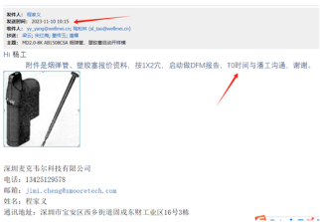
Box 8000 Full 2.0 | MODI | Cartridge tank | 130040670043027 | Dongguan Wellsun Plastic | 2023 | 11 | DP | 2024-11-01 | 2 |  | 0 | 500,000 | Soft tool | 2023-11-14 | ¥57,522 | 1 | ¥57,522 | Chris | Approved | No |  | OK
Box 8000 Full 2.0 | MODI | Plastic plug | / | Dongguan Wellsun Plastic | 2023 | 11 | DP | 2024-11-01 | 2 |  | 0 | 500,000 | Soft tool | 2023-11-14 | ¥22,124 | 1 | ¥22,124 | Chris | Approved | No |  | OK
Box 8000 Full 2.0 | MODI | Cartridge tank | 130040670043027 | Dongguan Wellsun Plastic | 2024 | 3 | DP | 2024-11-01 | 2 |  | 0 | 500,000 | Soft tool EC | 2024-03-28 | ¥3,982 | 1 | ¥3,982 | Chris | Approved | No
Box 8000 Full 2.0 | MODI | Cartridge tank | 130040670043027 | Dongguan Wellsun Plastic | 2024 | 4 | DP | 2024-11-01 | 2 |  | 0 | 500,000 | Soft tool EC | 2024-04-12 | ¥38,496 | 1 | ¥38,496 | Chris | Approved | No
Box 8000 Full 2.0 | MODI | Cartridge tank | 130040670043027 | Dongguan Wellsun Plastic | 2024 | 5 | DP | 2024-11-01 | 2 |  | 0 | 500,000 | Soft tool EC | 2024-05-30 | ¥6,726 | 1 | ¥6,726 | Chris | Approved | No
Box 8000 Full 2.0 | MODI | Cartridge tank | 130040670043027 | Dongguan Wellsun Plastic | 2024 | 6 | DP | 2024-11-01 | 2 |  | 0 | 500,000 | Hard tool EC | 2024-06-06 | ¥33,628 | 1 | ¥33,628 | Chris | Approved | No
Box 8000 Full 2.0 | MODI | Cartridge tank | 130040670043027 | Dongguan Wellsun Plastic | 2024 | 7 | DP | 2024-11-01 | 8 |  | 0 | 1,000,000 | Hard tool EC | 2024-07-01 | ¥5,752 | 1 | ¥5,752 | Chris | Approved | No
Box 8000 Full 2.0 | MODI | Cartridge tank | 130040670043027 | Dongguan Wellsun Plastic | 2024 | 7 | DP | 2024-11-01 | 2 |  | 0 | 500,000 | Soft tool EC | 2024-07-22 | ¥4,690 | 1 | ¥4,690 | Chris | Approved | No
Box 8000 Full 2.0 | MODI | Cartridge tank | 130040670043027 | Dongguan Wellsun Plastic | 2024 | 7 | DP | 2024-11-01 | 8 |  | 0 | 1,000,000 | Hard tool EC | 2024-07-31 | ¥7,947 | 1 | ¥7,947 | Chris | Approved | No
Box 8000 Full 2.0 | MODI | Cartridge tank | 130040670043027 | Dongguan Wellsun Plastic | 2024 | 7 | DP | 2024-11-01 | 2 |  | 0 | 500,000 | Soft tool EC | 2024-07-31 | ¥3,717 | 1 | ¥3,717 | Chris | Approved | No
Box 8000 Full 2.0 | MODI | Cartridge tank | 130040670043027 | Dongguan Wellsun Plastic | 2024 | 8 | DP | 2024-11-01 | 8 |  | 0 | 1,000,000 | Hard tool EC | 2024-08-07 | ¥7,920 | 1 | ¥7,920 | Chris | Approved | No
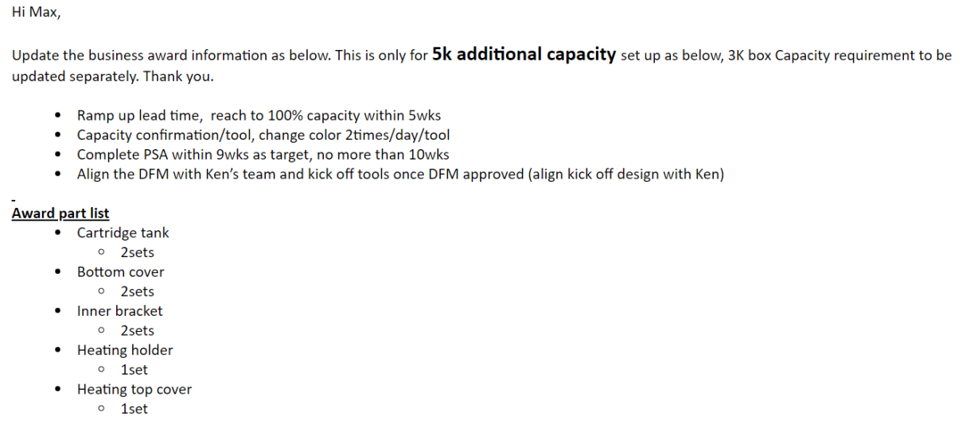
Box 5000 Full 2.0 | MODI | Cartridge tank | 130040670023444 | Dongguan Wellsun Plastic | 2024 | 5 | DP | 2024-11-01 | 16 | 812,968 | 1,625,936 | 1,000,000 | Hard tool | 2024-05-17 | ¥550,000 | 2 | ¥1,100,000 | Chris | Approved | No |  | OK
Box 5000 Full 2.0 | MODI | Heater top cover | 130040670023445 | Dongguan Wellsun Plastic | 2024 | 5 | DP | 2024-11-01 | 32 | 2,257,918 | 2,257,918 | 1,000,000 | Hard tool | 2024-05-17 | ¥750,000 | 1 | ¥750,000 | Chris | Approved | No |  | OK
Box 5000 Full 2.0 | MODI | Heating holder | 130040670023448 | Dongguan Wellsun Plastic | 2024 | 5 | DP | 2024-11-01 | 32 | 2,257,918 | 2,257,918 | 1,000,000 | Hard tool | 2024-05-17 | ¥720,000 | 1 | ¥720,000 | Chris | Approved | No |  | OK
Box 5000 Full 2.0 | MODI | Bottom cover | 130040670023442 | Dongguan Wellsun Plastic | 2024 | 5 | DP | 2024-11-01 | 16 | 1,174,108 | 2,348,216 | 1,000,000 | Hard tool | 2024-05-17 | ¥500,000 | 2 | ¥1,000,000 | Chris | Approved | No |  | OK
Box 5000 Full 2.0 | MODI | Inner bracket | 130040670023440 | Dongguan Wellsun Plastic | 2024 | 5 | DP | 2024-11-01 | 16 | 1,087,138 | 2,174,276 | 1,000,000 | Hard tool | 2024-05-17 | ¥560,000 | 2 | ¥1,120,000 | Chris | Approved | No |  | OK
KUMA E-Box ROW | RCS DEVICE | Bottom cover-KC | 130040670019338 | Dongguan Wellsun Plastic | 2024 | 3 | DP | 2024-11-01 | 4 | 209,664 | 209,664 | 1,000,000 | Hard tool | 2024-03-14 | ¥219,000 | 1 | ¥219,000 | Chris | Approved | No |  | OK
Pen 800 Default 2.0 | MODI | Bottom cover | 130040670021244 | Dongguan Wellsun Plastic | 2023 | 10 | DP | 2024-11-01 | 32 | 2,188,784 | 2,188,784 | 1,000,000 | Hard tool | 2023-10-26 | ¥500,000 | 1 | ¥500,000 | Chris | Approved | No |  | OK | 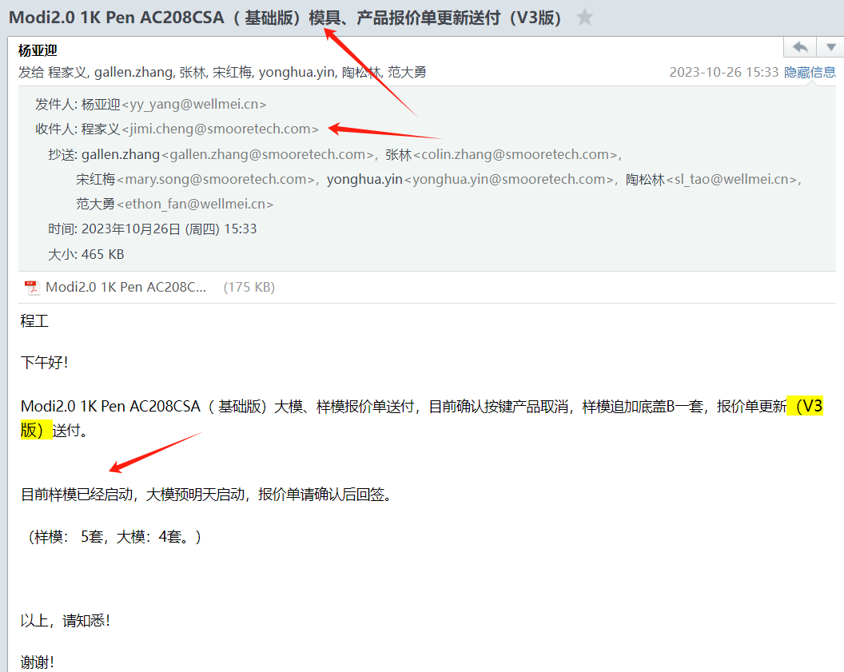
Pen 800 Default 2.0 | MODI | Bottom cover | 130040670021244 | Dongguan Wellsun Plastic | 2023 | 10 | DP | 2024-11-01 | 2 |  | 0 | 500,000 | Soft tool | 2023-10-26 | ¥57,522 | 1 | ¥57,522 | Chris | Approved | No |  | OK
Pen 800 Default 2.0 | MODI | Bottom cover-B | / | Dongguan Wellsun Plastic | 2023 | 10 | DP | 2024-11-01 | 2 |  | 0 | 500,000 | Soft tool | 2023-10-26 | ¥57,522 | 1 | ¥57,522 | Chris | Approved | No |  | OK
Pen 800 Default 2.0 | MODI | Bottom cover | 130040670021244 | Dongguan Wellsun Plastic | 2024 | 3 | DP | 2024-11-01 | 32 | 2,188,784 | 2,188,784 | 1,000,000 | Hard tool | 2024-03-12 | ¥450,000 | 1 | ¥450,000 | Chris | Approved | No |  | OK
Pen 800 Default 2.0 | MODI | Bottom cover | 130040670021244 | Dongguan Wellsun Plastic | 2023 | 11 | DP | 2024-11-01 | 32 |  | 0 | 1,000,000 | Hard tool EC | 2023-11-11 | ¥18,584 | 1 | ¥18,584 | Chris | Approved | No
Pen 800 Default 2.0 | MODI | Heating holder | 130040670034735 | Dongguan Wellsun Plastic | 2023 | 11 | DP | 2024-11-01 | 2 |  | 0 | 500,000 | Soft tool EC | 2023-11-14 | ¥37,168 | 1 | ¥37,168 | Chris | Approved | No
Pen 800 Default 2.0 | MODI | Heating holder | 130040670034735 | Dongguan Wellsun Plastic | 2023 | 11 | DP | 2024-11-01 | 2 |  | 0 | 500,000 | Soft tool EC | 2023-11-14 | ¥39,115 | 1 | ¥39,115 | Chris | Approved | No
Pen 800 Default 2.0 | MODI | Heating holder | 130040670034735 | Dongguan Wellsun Plastic | 2023 | 11 | DP | 2024-11-01 | 32 |  | 0 | 1,000,000 | Hard tool EC | 2023-11-19 | ¥128,319 | 1 | ¥128,319 | Chris | Approved | No
Pen 800 Default 2.0 | MODI | Bottom cover | 130040670021244 | Dongguan Wellsun Plastic | 2023 | 11 | DP | 2024-11-01 | 2 |  | 0 | 500,000 | Soft tool EC | 2023-11-28 | ¥5,752 | 1 | ¥5,752 | Chris | Approved | No
Pen 800 Default 2.0 | MODI | Bottom cover | 130040670021244 | Dongguan Wellsun Plastic | 2023 | 12 | DP | 2024-11-01 | 2 |  | 0 | 500,000 | Soft tool EC | 2023-12-07 | ¥5,487 | 1 | ¥5,487 | Chris | Approved | No
Pen 800 Default 2.0 | MODI | Bottom cover | 130040670021244 | Dongguan Wellsun Plastic | 2023 | 11 | DP | 2024-11-01 | 2 |  | 0 | 500,000 | Soft tool EC | 2023-11-23 | ¥19,115 | 1 | ¥19,115 | Chris | Approved | No
Pen 800 Default 2.0 | MODI | Heating holder | 130040670034735 | Dongguan Wellsun Plastic | 2023 | 12 | DP | 2024-11-01 | 32 |  | 0 | 1,000,000 | Hard tool EC | 2023-12-13 | ¥27,434 | 1 | ¥27,434 | Chris | Approved | No
Pen 800 Default 2.0 | MODI | Bottom cover | 130040670021244 | Dongguan Wellsun Plastic | 2023 | 12 | DP | 2024-11-01 | 32 |  | 0 | 1,000,000 | Hard tool EC | 2023-12-13 | ¥75,221 | 1 | ¥75,221 | Chris | Approved | No
Pen 800 Default 2.0 | MODI | Bottom cover | 130040670021244 | Dongguan Wellsun Plastic | 2023 | 12 | DP | 2024-11-01 | 2 |  | 0 | 500,000 | Soft tool EC | 2023-12-22 | ¥6,372 | 1 | ¥6,372 | Chris | Approved | No
Pen 800 Default 2.0 | MODI | Bottom cover | 130040670021244 | Dongguan Wellsun Plastic | 2024 | 1 | DP | 2024-11-01 | 2 |  | 0 | 500,000 | Soft tool EC | 2024-01-09 | ¥5,133 | 1 | ¥5,133 | Chris | Approved | No
Pen 800 Default 2.0 | MODI | Bottom cover | 130040670021244 | Dongguan Wellsun Plastic | 2024 | 1 | DP | 2024-11-01 | 2 |  | 0 | 500,000 | Soft tool EC | 2024-01-02 | ¥5,929 | 1 | ¥5,929 | Chris | Approved | No
KUMA E-Box ROW | RCS DEVICE | Top cover | 130040670013934 | Dongguan Wellsun Plastic | 2024 | 3 | DP | 2024-11-01 | 2 |  | 0 | 500,000 | Soft tool EC | 2024-03-28 | ¥48,000 | 1 | ¥48,000 | Chris | Approved | No
Pen 800 Default 2.0 | MODI | Cartridge tank | 130040670034715 | Dongguan Wellsun Plastic | 2023 | 10 | DP | 2024-11-01 | 32 | 1,896,960 | 1,896,960 | 1,000,000 | Hard tool | 2023-10-26 | ¥560,000 | 1 | ¥560,000 | Chris | Approved | No |  | OK, share with item 56
Pen 800 Default 2.0 | MODI | Cartridge tank | 130040670034715 | Dongguan Wellsun Plastic | 2023 | 10 | DP | 2024-11-01 | 2 |  | 0 | 500,000 | Soft tool | 2023-10-26 | ¥62,832 | 1 | ¥62,832 | Chris | Approved | No |  | OK, share with item 56
Pen 800 Default 2.0 | MODI | Cartridge tank | 130040670034715 | Dongguan Wellsun Plastic | 2023 | 12 | DP | 2024-11-01 | 2 |  | 0 | 500,000 | Soft tool EC | 2023-12-07 | ¥4,071 | 1 | ¥4,071 | Chris | Approved | No
Pen 800 Default 2.0 | MODI | Cartridge tank | 130040670034715 | Dongguan Wellsun Plastic | 2023 | 11 | DP | 2024-11-01 | 2 |  | 0 | 500,000 | Soft tool EC | 2023-11-21 | ¥12,743 | 1 | ¥12,743 | Chris | Approved | No
Pen 800 Default 2.0 | MODI | Cartridge tank | 130040670034715 | Dongguan Wellsun Plastic | 2023 | 11 | DP | 2024-11-01 | 2 |  | 0 | 500,000 | Soft tool EC | 2023-11-12 | ¥12,743 | 1 | ¥12,743 | Chris | Approved | No
Pen 800 Default 2.0 | MODI | Cartridge tank | 130040670034715 | Dongguan Wellsun Plastic | 2023 | 12 | DP | 2024-11-01 | 32 |  | 0 | 1,000,000 | Hard tool EC | 2023-12-13 | ¥278,761 | 1 | ¥278,761 | Chris | Approved | No
Pen 800 Default 2.0 | MODI | Cartridge tank | 130040670034715 | Dongguan Wellsun Plastic | 2023 | 12 | DP | 2024-11-01 | 2 |  | 0 | 500,000 | Soft tool EC | 2023-12-15 | ¥15,044 | 1 | ¥15,044 | Chris | Approved | No
Pen 800 Default 2.0 | MODI | Cartridge tank | 130040670034715 | Dongguan Wellsun Plastic | 2023 | 12 | DP | 2024-11-01 | 32 |  | 0 | 1,000,000 | Hard tool EC | 2023-12-15 | ¥20,796 | 1 | ¥20,796 | Chris | Approved | No
Pen 800 Default 2.0 | MODI | Cartridge tank | 130040670034715 | Dongguan Wellsun Plastic | 2023 | 12 | DP | 2024-11-01 | 2 |  | 0 | 500,000 | Soft tool EC | 2023-12-27 | ¥6,018 | 1 | ¥6,018 | Chris | Approved | No
Pen 800 Default 2.0 | MODI | Cartridge tank | 130040670034715 | Dongguan Wellsun Plastic | 2023 | 11 | DP | 2024-11-01 | 2 |  | 0 | 500,000 | Soft tool EC | 2023-11-27 | ¥54,032 | 1 | ¥54,032 | Chris | Approved | No | 检测费用
Pen 800 Default 2.0 | MODI | Cartridge tank | 130040670034715 | Dongguan Wellsun Plastic | 2024 | 1 | DP | 2024-11-01 | 32 |  | 0 | 1,000,000 | Hard tool EC | 2024-01-10 | ¥24,602 | 1 | ¥24,602 | Chris | Approved | No
Pen 800 Default 2.0 | MODI | Heater top cover | 130040670021246 | Dongguan Wellsun Plastic | 2023 | 10 | DP | 2024-11-01 | 32 | 2,552,420 | 2,552,420 | 1,000,000 | Hard tool | 2023-10-26 | ¥600,000 | 1 | ¥600,000 | Chris | Approved | No |  | OK, share with item 56
Pen 800 Default 2.0 | MODI | Heater top cover | 130040670021246 | Dongguan Wellsun Plastic | 2023 | 10 | DP | 2024-11-01 | 2 |  | 0 | 500,000 | Soft tool | 2023-10-26 | ¥57,522 | 1 | ¥57,522 | Chris | Approved | No |  | OK, share with item 56
Pen 800 Default 2.0 | MODI | Heating holder | 130040670034735 | Dongguan Wellsun Plastic | 2023 | 10 | DP | 2024-11-01 | 32 | 2,348,216 | 2,348,216 | 1,000,000 | Hard tool | 2023-10-26 | ¥600,000 | 1 | ¥600,000 | Chris | Approved | No |  | OK, share with item 56
Pen 800 Default 2.0 | MODI | Heating holder | 130040670034735 | Dongguan Wellsun Plastic | 2023 | 10 | DP | 2024-11-01 | 2 |  | 0 | 500,000 | Soft tool | 2023-10-26 | ¥61,947 | 1 | ¥61,947 | Chris | Approved | No |  | OK, share with item 56
Pen 800 Default 2.0 | MODI | Heating holder | 130040670034735 | Dongguan Wellsun Plastic | 2023 | 11 | DP | 2024-11-01 | 2 |  | 0 | 500,000 | Soft tool EC | 2023-11-14 | ¥10,796 | 1 | ¥10,796 | Chris | Approved | No
Pen 800 Default 2.0 | MODI | Heating holder | 130040670034735 | Dongguan Wellsun Plastic | 2023 | 12 | DP | 2024-11-01 | 2 |  | 0 | 500,000 | Soft tool EC | 2023-12-15 | ¥6,372 | 1 | ¥6,372 | Chris | Approved | No
DP1500 | MODI | Battery tube | 130040660001514 | Dongguan Wellsun Plastic | 2022 | 11 | DP | 2024-11-01 | 16 | 978,432 | 1,956,864 | 1,000,000 | Hard tool | 2022-11-09 | ¥546,000 | 2 | ¥1,092,000 | Chris | Approved | No
DP1500 | MODI | Mouth piece | 13004013040453X | Dongguan Wellsun Plastic | 2022 | 11 | DP | 2024-11-01 | 16 | 978,432 | 1,956,864 | 1,000,000 | Hard tool | 2022-11-09 | ¥455,000 | 2 | ¥910,000 | Chris | Approved | No
Alto Pod | RCS POD | Cartridge Tube | 130010390000214 | Indonesia Wellsun Plastic | 2022 | 6 | DP | 2024-11-01 | 16 | 1,241,856 | 21,111,552 | 1,000,000 | Hard tool | 2022-06-15 | ¥1,401,456.11 | 17 | ¥23,824,753.94 | Chris | Approved | No | 印尼项目美金结算
Alto Pod | RCS POD | Heating Holder | 130010390000215 | Indonesia Wellsun Plastic | 2022 | 6 | DP | 2024-11-01 | 32 | 3,089,786 | 21,628,502 | 1,000,000 | Hard tool | 2022-06-15 | ¥1,374,234.67 | 7 | ¥9,619,642.71 | Chris | Approved | No | 印尼项目美金结算
Alto Pod | RCS POD | Cartomizer Holder Tap | 130010390000216 | Indonesia Wellsun Plastic | 2022 | 6 | DP | 2024-11-01 | 32 | 3,075,072 | 21,525,504 | 1,000,000 | Hard tool | 2022-06-15 | ¥748,808.68 | 7 | ¥5,241,660.77 | Chris | Approved | No | 印尼项目美金结算
Alto Pod | RCS POD | Heater top cover | 130010390000221 | Indonesia Wellsun Plastic | 2022 | 6 | DP | 2024-11-01 | 32 | 3,089,786 | 21,628,502 | 1,000,000 | Hard tool | 2022-06-15 | ¥1,358,562.87 | 7 | ¥9,509,940.08 | Chris | Approved | No | 印尼项目美金结算
HESTIA MAX (non smart) | RCS POD | Cartridge tank | 130010670084791 | Dongguan Wellsun Plastic | 2024 | 6 | DP | 2024-11-01 | 2 |  | 0 | 500,000 | Soft tool | 2024-06-11 | ¥81,000 | 1 | ¥81,000 | Chris | Approved | No |  | OK
HESTIA MAX (non smart) | RCS POD | Heater Holder | 130010670071674 | Dongguan Wellsun Plastic | 2024 | 6 | DP | 2024-11-01 | 2 |  | 0 | 500,000 | Soft tool | 2024-06-11 | ¥72,000 | 1 | ¥72,000 | Chris | Approved | No |  | OK
HESTIA MAX (non smart) | RCS POD | Heater cover | 130010670071675 | Dongguan Wellsun Plastic | 2024 | 6 | DP | 2024-11-01 | 2 |  | 0 | 500,000 | Soft tool | 2024-06-11 | ¥72,000 | 1 | ¥72,000 | Chris | Approved | No |  | OK
HESTIA MAX (non smart) | RCS POD | Heater Holder | 130010670071674 | Dongguan Wellsun Plastic | 2024 | 7 | DP | 2024-11-01 | 2 |  | 0 | 500,000 | Soft tool EC | 2024-07-01 | ¥4,248 | 1 | ¥4,248 | Chris | Approved | No
HESTIA MAX (non smart) | RCS POD | Cartridge tank | 130010670084791 | Dongguan Wellsun Plastic | 2024 | 8 | DP | 2024-11-01 | 2 |  | 0 | 500,000 | Soft tool EC | 2024-08-02 | ¥6,372 | 1 | ¥6,372 | Chris | Approved | No
HESTIA MAX (non smart) | RCS POD | Cartridge tank | 130010670084791 | Dongguan Wellsun Plastic | 2024 | 9 | DP | 2024-11-01 | 2 |  | 0 | 500,000 | Soft tool EC | 2024-09-11 | ¥3,097 | 1 | ¥3,097 | Chris | Approved | No
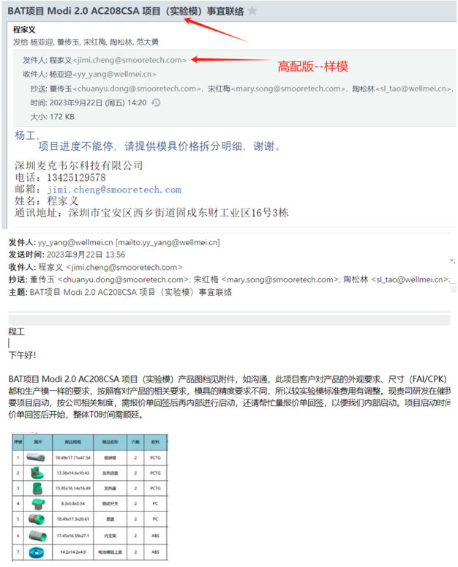
HESTIA MAX (non smart) | RCS POD | Heater Holder | 130010670071674 | Dongguan Wellsun Plastic | 2024 | 9 | DP | 2024-11-01 | 2 |  | 0 | 500,000 | Soft tool EC | 2024-09-11 | ¥4,248 | 1 | ¥4,248 | Chris | Approved | No
HESTIA MAX (non smart) | RCS POD | Cartridge tank | 130010670084791 | Dongguan Wellsun Plastic | 2024 | 9 | DP | 2024-11-01 | 2 |  | 0 | 500,000 | Soft tool EC | 2024-09-26 | ¥22,655 | 1 | ¥22,655 | Chris | Approved | No
Pen 800 Full 2.0 | MODI | Button | 130040670017669 | Dongguan Wellsun Plastic | 2023 | 12 | DP | 2024-11-01 | 2 |  | 0 | 500,000 | Soft tool EC | 2023-12-12 | ¥6,372 | 1 | ¥6,372 | Chris | Approved | No
Pen 800 Full 2.0 | MODI | Button | 130040670017669 | Dongguan Wellsun Plastic | 2023 | 12 | DP | 2024-11-01 | 2 |  | 0 | 500,000 | Soft tool EC | 2023-12-15 | ¥5,575 | 1 | ¥5,575 | Chris | Approved | No
Pen 800 Full 2.0 | MODI | Button | 130040670017669 | Dongguan Wellsun Plastic | 2023 | 12 | DP | 2024-11-01 | 2 |  | 0 | 500,000 | Soft tool EC | 2023-12-22 | ¥6,637 | 1 | ¥6,637 | Chris | Approved | No
Pen 800 Full 2.0 | MODI | Button | 130040670017669 | Dongguan Wellsun Plastic | 2023 | 12 | DP | 2024-11-01 | 2 |  | 0 | 500,000 | Soft tool EC | 2023-12-27 | ¥3,982 | 1 | ¥3,982 | Chris | Approved | No
Pen 800 Full 2.0 | MODI | Button | 130040670017669 | Dongguan Wellsun Plastic | 2024 | 4 | DP | 2024-11-01 | 2 |  | 0 | 500,000 | Soft tool EC | 2024-04-16 | ¥4,336 | 1 | ¥4,336 | Chris | Approved | No
Pen 800 Full 2.0 | MODI | Button | 130040670017669 | Dongguan Wellsun Plastic | 2024 | 4 | DP | 2024-11-01 | 2 |  | 0 | 500,000 | Soft tool EC | 2024-04-22 | ¥4,513 | 1 | ¥4,513 | Chris | Approved | No
Pen 800 Full 2.0 | MODI | Bottom cover | 130040670017656 | Dongguan Wellsun Plastic | 2023 | 10 | DP | 2024-11-01 | 2 |  | 0 | 500,000 | Soft tool EC | 2023-10-31 | ¥27,434 | 1 | ¥27,434 | Chris | Approved | No
Pen 800 Full 2.0 | MODI | Bottom cover | 130040670017656 | Dongguan Wellsun Plastic | 2023 | 11 | DP | 2024-11-01 | 2 |  | 0 | 500,000 | Soft tool EC | 2023-11-10 | ¥3,982 | 1 | ¥3,982 | Chris | Approved | No
Pen 800 Full 2.0 | MODI | Bottom cover | 130040670017656 | Dongguan Wellsun Plastic | 2023 | 12 | DP | 2024-11-01 | 2 |  | 0 | 500,000 | Soft tool EC | 2023-12-06 | ¥5,575 | 1 | ¥5,575 | Chris | Approved | No
Pen 800 Full 2.0 | MODI | Bottom cover | 130040670017656 | Dongguan Wellsun Plastic | 2023 | 12 | DP | 2024-11-01 | 2 |  | 0 | 500,000 | Soft tool EC | 2023-12-12 | ¥12,743 | 1 | ¥12,743 | Chris | Approved | No
Pen 800 Full 2.0 | MODI | Bottom cover | 130040670017656 | Dongguan Wellsun Plastic | 2023 | 12 | DP | 2024-11-01 | 2 |  | 0 | 500,000 | Soft tool EC | 2023-12-18 | ¥4,956 | 1 | ¥4,956 | Chris | Approved | No
Pen 800 Full 2.0 | MODI | Bottom cover | 130040670017656 | Dongguan Wellsun Plastic | 2023 | 12 | DP | 2024-11-01 | 2 |  | 0 | 500,000 | Soft tool EC | 2023-12-20 | ¥5,752 | 1 | ¥5,752 | Chris | Approved | No
Pen 800 Full 2.0 | MODI | Bottom cover | 130040670017656 | Dongguan Wellsun Plastic | 2023 | 12 | DP | 2024-11-01 | 2 |  | 0 | 500,000 | Soft tool EC | 2023-12-23 | ¥4,513 | 1 | ¥4,513 | Chris | Approved | No
Pen 800 Full 2.0 | MODI | Battery module top cover | 130040670017658 | Dongguan Wellsun Plastic | 2023 | 11 | DP | 2024-11-01 | 2 |  | 0 | 500,000 | Soft tool EC | 2023-11-10 | ¥3,274 | 1 | ¥3,274 | Chris | Approved | No
Pen 800 Full 2.0 | MODI | Battery module top cover | 130040670017658 | Dongguan Wellsun Plastic | 2023 | 12 | DP | 2024-11-01 | 2 |  | 0 | 500,000 | Soft tool EC | 2023-12-05 | ¥6,372 | 1 | ¥6,372 | Chris | Approved | No
Pen 800 Full 2.0 | MODI | Battery module top cover | 130040670017658 | Dongguan Wellsun Plastic | 2023 | 12 | DP | 2024-11-01 | 2 |  | 0 | 500,000 | Soft tool EC | 2023-12-18 | ¥7,699 | 1 | ¥7,699 | Chris | Approved | No
Pen 800 Full 2.0 | MODI | Battery module top cover | 130040670017658 | Dongguan Wellsun Plastic | 2023 | 12 | DP | 2024-11-01 | 2 |  | 0 | 500,000 | Soft tool EC | 2023-12-23 | ¥5,487 | 1 | ¥5,487 | Chris | Approved | No
Pen 800 Full 2.0 | MODI | Bottom cover | 130040670017656 | Dongguan Wellsun Plastic | 2024 | 1 | DP | 2024-11-01 | 2 |  | 0 | 500,000 | Soft tool EC | 2024-01-26 | ¥7,598 | 1 | ¥7,598 | Chris | Approved | No | 检测费用
Pen 800 Full 2.0 | MODI | Battery module top cover | 130040670017658 | Dongguan Wellsun Plastic | 2024 | 3 | DP | 2024-11-01 | 2 |  | 0 | 500,000 | Soft tool EC | 2024-03-27 | ¥5,752 | 1 | ¥5,752 | Chris | Approved | No
Pen 800 Full 2.0 | MODI | Heater top cover | / | Dongguan Wellsun Plastic | 2024 | 1 | DP | 2024-11-01 | 2 |  | 0 | 500,000 | Soft tool EC | 2024-01-29 | ¥6,018 | 1 | ¥6,018 | Chris | Approved | No
Pen 800 Full 2.0 | MODI | Heater top cover | / | Dongguan Wellsun Plastic | 2024 | 1 | DP | 2024-11-01 | 2 |  | 0 | 500,000 | Soft tool EC | 2024-01-05 | ¥28,319 | 1 | ¥28,319 | Chris | Approved | No
Pen 800 Full 2.0 | MODI | Heating holder | / | Dongguan Wellsun Plastic | 2023 | 9 | DP | 2024-11-01 | 2 |  | 0 | 500,000 | Soft tool EC | 2023-09-28 | ¥3,540 | 1 | ¥3,540 | Chris | Approved | No
Pen 800 Full 2.0 | MODI | Inner bracket | 130040670017662 | Dongguan Wellsun Plastic | 2023 | 11 | DP | 2024-11-01 | 2 |  | 0 | 500,000 | Soft tool EC | 2023-11-10 | ¥10,619 | 1 | ¥10,619 | Chris | Approved | No
Pen 800 Full 2.0 | MODI | Inner bracket | 130040670017662 | Dongguan Wellsun Plastic | 2023 | 12 | DP | 2024-11-01 | 2 |  | 0 | 500,000 | Soft tool EC | 2023-12-06 | ¥5,133 | 1 | ¥5,133 | Chris | Approved | No
Pen 800 Full 2.0 | MODI | Inner bracket | 130040670017662 | Dongguan Wellsun Plastic | 2024 | 1 | DP | 2024-11-01 | 2 |  | 0 | 500,000 | Soft tool EC | 2024-01-08 | ¥6,372 | 1 | ¥6,372 | Chris | Approved | No
Pen 800 Full 2.0 | MODI | Cartridge tank | / | Dongguan Wellsun Plastic | 2023 | 11 | DP | 2024-11-01 | 2 |  | 0 | 500,000 | Soft tool EC | 2023-11-13 | ¥7,522 | 1 | ¥7,522 | Chris | Approved | No
Pen 800 Full 2.0 | MODI | Cartridge tank | / | Dongguan Wellsun Plastic | 2023 | 11 | DP | 2024-11-01 | 2 |  | 0 | 500,000 | Soft tool EC | 2023-11-13 | ¥21,239 | 1 | ¥21,239 | Chris | Approved | No
Pen 800 Full 2.0 | MODI | Inner bracket | 130040670017662 | Dongguan Wellsun Plastic | 2023 | 9 | DP | 2024-11-01 | 2 |  | 0 | 500,000 | Soft tool | 2023-09-22 | ¥53,097 | 1 | ¥53,097 | Chris | Approved | No |  | OK
Pen 800 Full 2.0 | MODI | Button | 130040670017669 | Dongguan Wellsun Plastic | 2023 | 9 | DP | 2024-11-01 | 2 |  | 0 | 500,000 | Soft tool | 2023-09-22 | ¥53,097 | 1 | ¥53,097 | Chris | Approved | No |  | OK, share with item 131
Pen 800 Full 2.0 | MODI | Battery module top cover | 130040670017658 | Dongguan Wellsun Plastic | 2023 | 9 | DP | 2024-11-01 | 2 |  | 0 | 500,000 | Soft tool | 2023-09-22 | ¥53,097 | 1 | ¥53,097 | Chris | Approved | No |  | OK, share with item 131
Pen 800 Full 2.0 | MODI | Cartridge tank | / | Dongguan Wellsun Plastic | 2023 | 9 | DP | 2024-11-01 | 2 |  | 0 | 500,000 | Soft tool | 2023-09-22 | ¥62,832 | 1 | ¥62,832 | Chris | Approved | No |  | OK, share with item 131
Pen 800 Full 2.0 | MODI | Heating holder | / | Dongguan Wellsun Plastic | 2023 | 9 | DP | 2024-11-01 | 2 |  | 0 | 500,000 | Soft tool | 2023-09-22 | ¥61,947 | 1 | ¥61,947 | Chris | Approved | No |  | OK, share with item 131
Pen 800 Full 2.0 | MODI | Heater top cover | / | Dongguan Wellsun Plastic | 2023 | 9 | DP | 2024-11-01 | 2 |  | 0 | 500,000 | Soft tool | 2023-09-22 | ¥57,522 | 1 | ¥57,522 | Chris | Approved | No |  | OK, share with item 131
Pen 800 Full 2.0 | MODI | Bottom cover | 130040670017656 | Dongguan Wellsun Plastic | 2023 | 9 | DP | 2024-11-01 | 2 |  | 0 | 500,000 | Soft tool | 2023-09-22 | ¥57,522 | 1 | ¥57,522 | Chris | Approved | No |  | OK, share with item 131
Pen 800 Full 2.0 | MODI | Inner bracket | 130040670017662 | Dongguan Wellsun Plastic | 2023 | 9 | DP | 2024-11-01 | 2 |  | 0 | 500,000 | Soft tool | 2023-09-22 | ¥53,097 | 1 | ¥53,097 | Chris | Approved | No |  | OK
Pen 800 Default 2.0 | MODI | Cartridge tank | 130040670034715 | Dongguan Wellsun Plastic | 2023 | 11 | DP | 2024-11-01 | 2 |  | 0 | 500,000 | Soft tool EC | 2023-11-13 | ¥8,500 | 1 | ¥8,500 | Chris | Approved | No
Pen 800 Default 2.0 | MODI | Cartridge tank | 130040670034715 | Dongguan Wellsun Plastic | 2023 | 11 | DP | 2024-11-01 | 2 |  | 0 | 500,000 | Soft tool EC | 2023-11-13 | ¥24,000 | 1 | ¥24,000 | Chris | Approved | No
KUMA E-Pen 1.0 ROW | RCS DEVICE | Bottom Plug | 130010670092441 | Dongguan Wellsun Plastic | 2024 | 9 | DP | 2024-11-01 | 2 |  | 0 | 500,000 | Soft tool | 2024-09-11 | ¥28,319 | 1 | ¥28,319 | Chris | Approved | No

Alto Pod | RCS POD | Cartridge Tube | 130010390000214 | Indonesia Wellsun Plastic | 2024 | 10 | POA | 2024-11-14 | 16 | 1,241,856 | 16,144,128 | 1,000,000 | Hard tool | 2024-10-28 | ¥669,240.00 | 13 | ¥8,700,120.00 | Chris | Approved | No | 印尼项目美金结算 | OK
Alto Pod | RCS POD | Heating Holder | 130010390000215 | Indonesia Wellsun Plastic | 2024 | 10 | POA | 2024-11-14 | 32 | 3,089,786 | 15,448,930 | 1,000,000 | Hard tool | 2024-10-28 | ¥828,713.60 | 5 | ¥4,143,568.00 | Chris | Approved | No | 印尼项目美金结算 | OK
Alto Pod | RCS POD | Cartomizer Holder Tap | 130010390000216 | Indonesia Wellsun Plastic | 2024 | 10 | POA | 2024-11-14 | 32 | 3,075,072 | 18,450,432 | 1,000,000 | Hard tool | 2024-10-28 | ¥643,864.65 | 6 | ¥3,863,187.90 | Chris | Approved | No | 印尼项目美金结算 | OK
Alto Pod | RCS POD | Heater top cover | 130010390000221 | Indonesia Wellsun Plastic | 2024 | 10 | POA | 2024-11-14 | 32 | 3,089,786 | 15,448,930 | 1,000,000 | Hard tool | 2024-10-28 | ¥828,713.60 | 5 | ¥4,143,568.00 | Chris | Approved | No | 印尼项目美金结算 | OK
HESTIA MAX (non smart) | RCS POD | Cartridge tank | 130010670084791 | Dongguan Wellsun Plastic | 2024 | 12 | POA | 2025-01-07 | 2 |  | 0 | 500,000 | Soft tool EC | 2024-12-26 | ¥6,018 | 1 | ¥6,018 | Chris | Approved | No
 |  |  |  |  |  |  |  |  |  |  | 0
 |  |  |  |  |  |  |  |  |  |  | 0
 |  |  |  |  |  |  |  |  |  |  | 0
 |  |  |  |  |  |  |  |  |  |  | 0
 |  |  |  |  |  |  |  |  |  |  | 0
 |  |  |  |  |  |  |  |  |  |  | 0
 |  |  |  |  |  |  |  |  |  |  | 0
 |  |  |  |  |  |  |  |  |  |  | 0
 |  |  |  |  |  |  |  |  |  |  | 0
 |  |  |  |  |  |  |  |  |  |  | 0
 |  |  |  |  |  |  |  |  |  |  | 0
 |  |  |  |  |  |  |  |  |  |  | 0
 |  |  |  |  |  |  |  |  |  |  | 0
 |  |  |  |  |  |  |  |  |  |  | 0
 |  |  |  |  |  |  |  |  |  |  | 0
 |  |  |  |  |  |  |  |  |  |  | 0
 |  |  |  |  |  |  |  |  |  |  | 0
 |  |  |  |  |  |  |  |  |  |  | 0
 |  |  |  |  |  |  |  |  |  |  | 0
 |  |  |  |  |  |  |  |  |  |  | 0
 |  |  |  |  |  |  |  |  |  |  | 0

